Sheet1
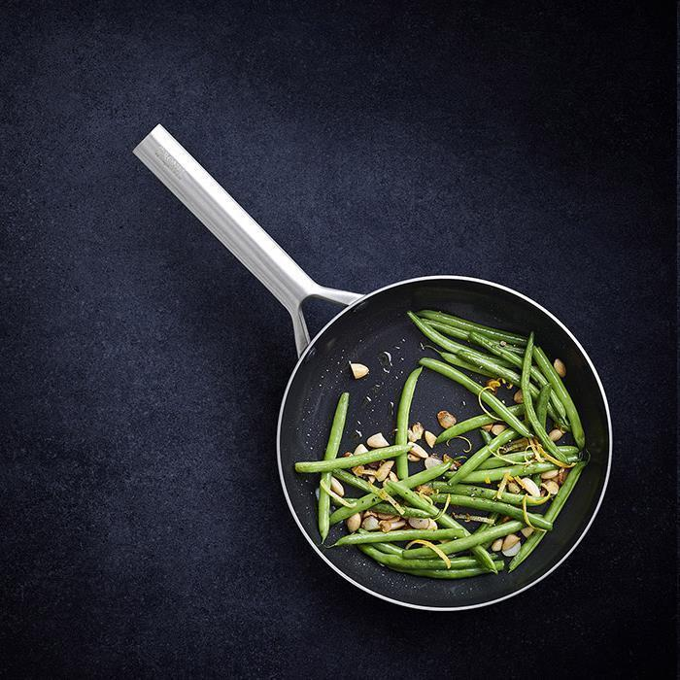
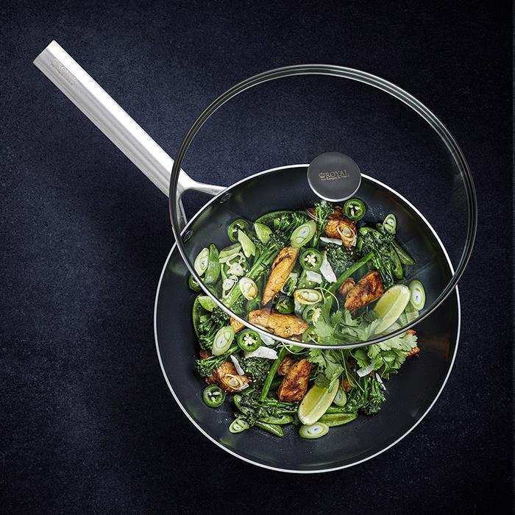
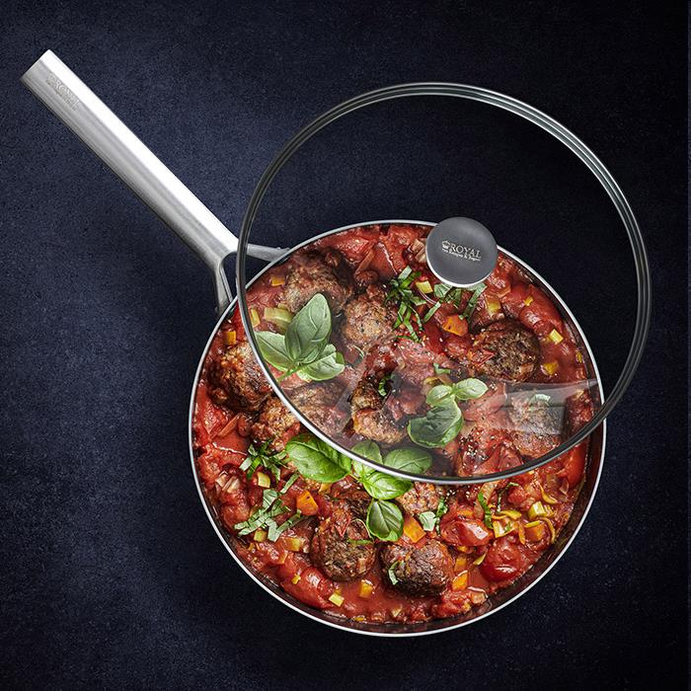
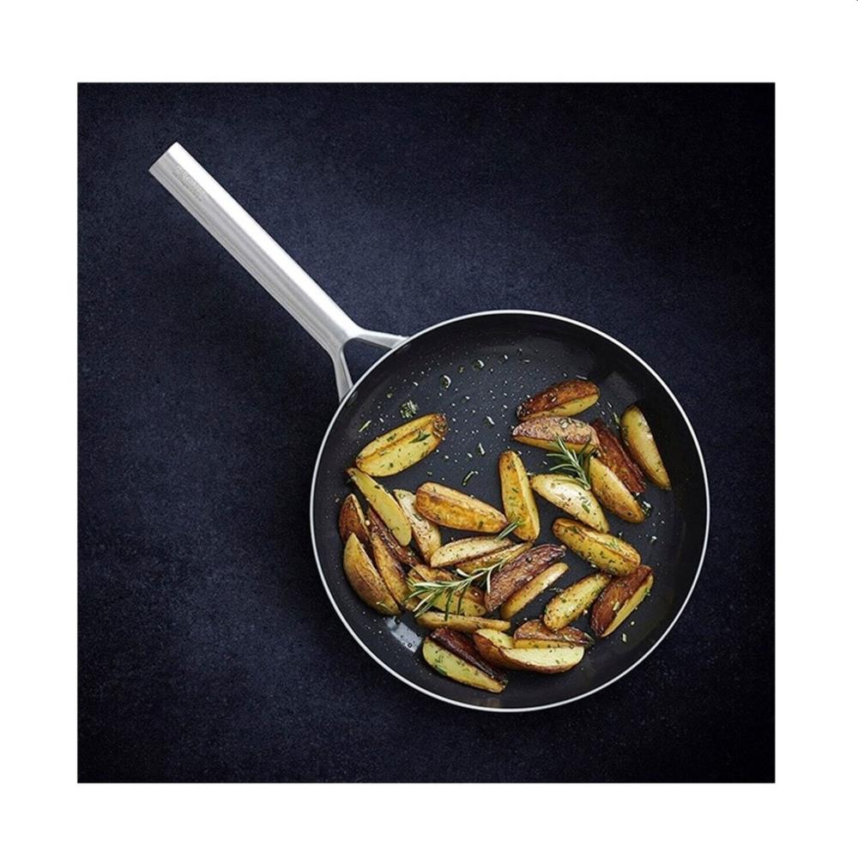
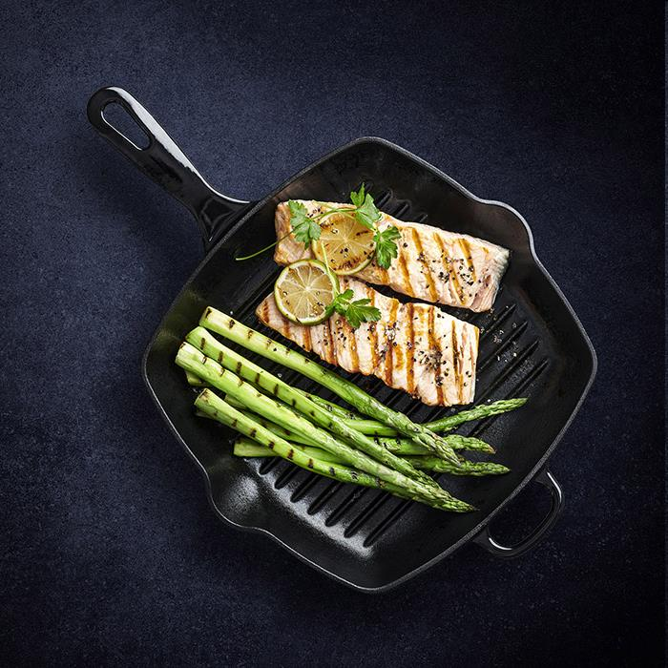
Picture | Item code | Description | Extra information | Restriction | Stock | Sales price EXW | Retail price | Barcode | Quantity PU | Quantity pallet | Pallet | Origin | Customs code | Item weight | Languages on package | Group
 | S-10661 | Royal Van Kempen, frypan 28cm | CC003230-001 | Benelux, Sweden, Greece | 15371 | 11.9 | 99.95 | 4895156667810 | 5 | 60 | Europallet 120x80 | CN | 7323930090 | 1620 |  | Royal Van Kempen
 | S-10665 | Royal Van Kempen, wok 28cm/3.6L | CC003232-001 | Benelux, Sweden, Greece | 13239 | 13.9 | 119.95 | 4895156667773 | 4 | 48 | Europallet 120x80 | CN | 7323930090 | 2535 |  | Royal Van Kempen
 | S-10660 | Royal Van Kempen, skillet 28cm/3.6L + lid | CC003231-001 | Benelux, Sweden, Greece | 12487 | 13.9 | 119.95 | 4895156667797 | 4 | 48 | Europallet 120x80 | CN | 7323930090 | 2635 |  | Royal Van Kempen
 | S-10662 | Royal Van Kempen, frypan 24cm | CC003229-001 | Benelux, Sweden, Greece | 4744 | 9.9 | 89.95 | 4895156667834 | 6 | 108 | Europallet 120x80 | CN | 7323930090 | 1270 |  | Royal Van Kempen
 | S-10703 | Royal Van Kempen, iron square grill 26cm | CC003234-001 |  | 914 | 13.9 | 59.95 | 4895156669029 | 3 | 90 | Europallet 120x80 | CN |  | 3470 |  | Royal Van Kempen

